Sheet1
 |  | Document No. | Issue No. | Issue Date |  | Review and Replace Date |  |  | Authorised By
 |  | GFF472MC | 1 | 02.10.2024 |  | New Document |  |  | Magda Shah
 |  | Document Title | 8 Chicken Shawarma Flatbreads Kit 210g
Document amendments reason for change |  | New Document |  |  | Page 1 of 1 | Previous Issue Date | New Document |  | Uncontrolled copy unless signed original

CCSHFB-R1TEB | BOOTHS - XMAS |  | 8 Chicken Shawarma Flatbreads Kit 210g
STEP 1 |  |  |  |  | STEP 2
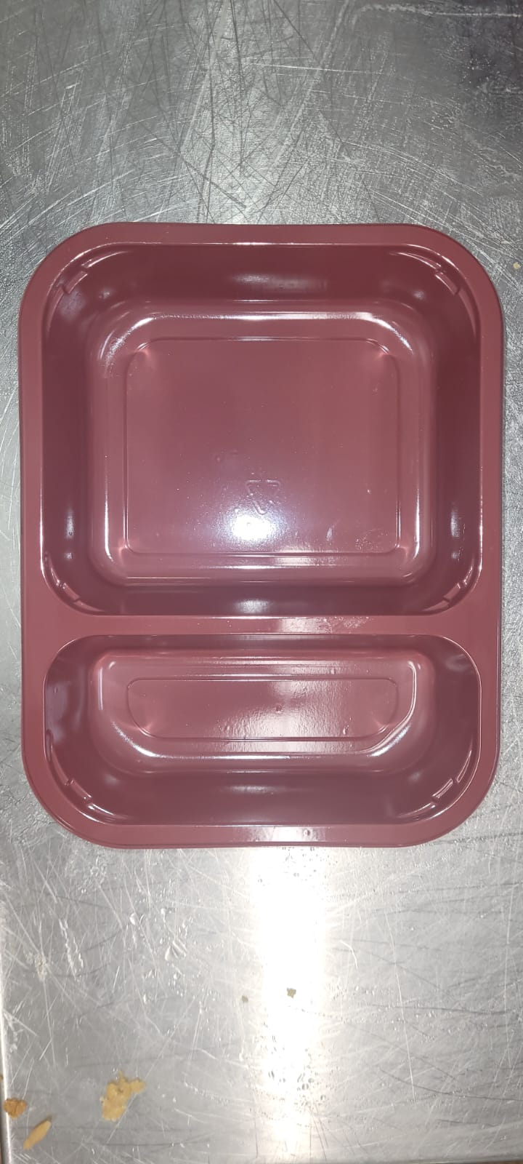 |  |  |  |  | 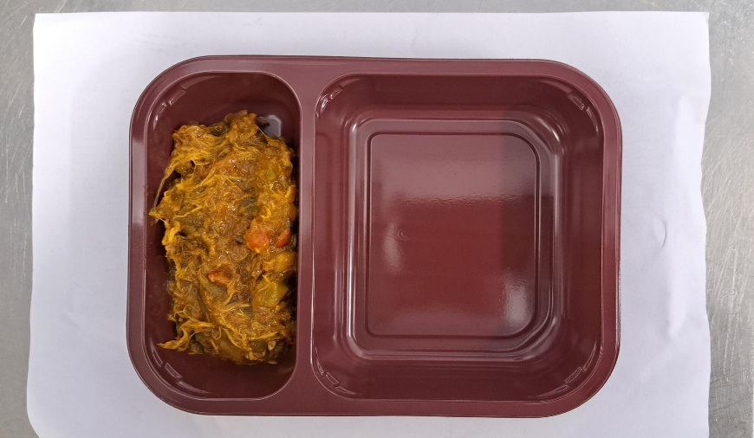

Tray: EVOLVE CPET 2200-2C (PKRHP001-16) |  |  |  |  | Xmas Pulled Chicken Shawarma Mix (GFF496R): 120g
Film: AF Weld Film (270mmX1000lm)-(PKKMP001-06)
STEP 3
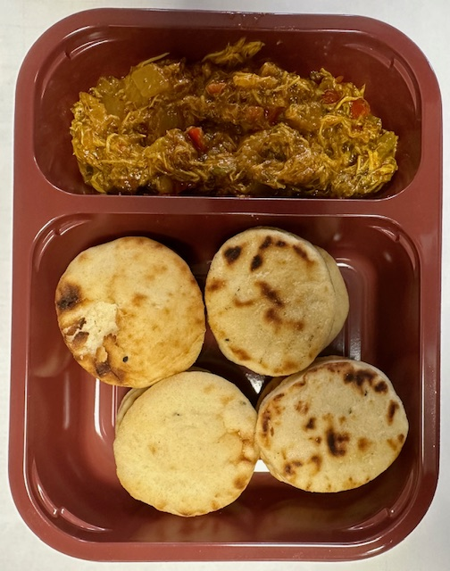

8 x Mini Naan Canape Base (RMBAK002-001): 90g |  |  |  |  |  |  |  | TOTAL WEIGHT: 210g

ALLERGY ALERT: Barley, Wheat

